Guidance for Completion
Guidance for completion of Templates
Description | Comment

FAL 5 & 6 GUIDANCE
Arrival/Departure To/From UK? | Answer either Arrival or Departure
Name Of Ship | The current name of the vessel
IMO Number | The International Maritime Organization (IMO) number allocated to the vessel
Call Sign | The call sign as assigned by the national licencing authority of the vessel or the name of the vessel where no call sign has been allocated
Name of Master Authorised Agent or Officer | The name address of the Master of the vessel or Authorised Agent or Officer
Flag State of Ship | The state under which the vessel is registered or licenced expressed in ISO 3166-1 alpha-3 format . If not registered or licenced the flag state will be the country in which the vessel is usually based.
Last Port Of Call | The location from which the vessel has departed on its journey to the UK. Preferably this should be expressed as a UNLOCODE. Otherwise the location should be described as latitude- londitude, as an addresss or as a description that will allow the location to be identified easily.
UNLOCODE of Arrival Port | The location at which the vessel intends to arrive in the UK. The Port should be expressed as a UNLOCODE e.g. GB(space)SOU = GB SOU
Date of Arrival | in DD:MM:YYYY format only
Time of Arrival | in hh:mm:ss UTC only
UNLOCODE of Departure Port | The location from which the vessel has departed on its journey to the UK. The Port should be expressed as a UNLOCODE
Date of Departure | in DD:MM:YYYY format only
Time of Departure | in hh:mm:ss UTC only
Travel Document Type (TD_Type) | Select Passport (P) or Identity card (I). If Other leave cell blank and insert type in the "Nature of Document if other" field
Nature of Document if other | Insert type if other than Passport or Identity card
TD_Issuing Country | ISO 3166-1 alpha-3
TD_Number | As shown in the travel document include any leading 0 (zero)
Surname | The surname as shown in the passport or travel document
Forenames | The forename as shown in the passport or travel document, more than one forename should be separated by a space
Gender | As shown in the passport or travel document M- Male F- Female U- Unknown
DOB | Date of Birth as shown in the travel document in DD:MM:YYYY format
Place of Birth | As shown in the travel document
Nationality | ISO 3166-1 alpha-3
TD_Expiry Date | As shown in the travel document in DD:MM:YYYY format
Cabin | Cabin Number
Port of Embarkation | Port of Embarkation of passenger member
Port of Disembarkation | Port of Disembarkation of passenger member
Transit | Is the passenger member in transit : answer Yes or No
Manifest File Preparation for File Upload
In order to successfully upload a valid file to CBP there are a few simple rules that must be followed to avoid files being rejected by the validation built into the CBP.
1. UN Locodes- where a UN Locode is known you should insert that code in the format GB SOU with a space between the GB and following 3 letters. Codes are listed at http://www.unece.org/cefact/locode/service/location.html
Where it is not known, we will accept the name of the port; for example, if a ship is arriving at Ailsa Craig, simply type in that name and the system will be able to route the report correctly.
2. To enable a file to be uploaded successfully ALL Surname, Forename and TD_Issuing Country fields must be populated. For Surname and Forenames - when you copy them across ensure that when viewed in the formula bar that they just show letters only
e.g. Abdul Khuddus Mohammed Ali and do not have other characters before or after them e.g. ="Abdul Khuddus"= ="Mohammed Ali"=
If the data to populate a name field is not present then you should enter Unknown or Not Known. Entering NK will generate an error.
3. Do not leave any blank lines between data – you can have blank lines underneath the end of a set of rows – but not anywhere else
Exceptions to the UNKNOWN rule:
A.If you do not have a TD Number do not enter UNKNOWN, just leave field blank
B. We do not have a Date of Birth; do not enter UNKNOWN just leave field blank
C.If you do not have a TD Expiry Date, do not insert UNKNOWN, just leave blank
D. If you do not have a Nationality, do not insert UNKNOWN, just leave blank
4. Dates of birth- these must always be in the format dd/mm/yyyy. If you receive that data in any other format it must be converted. This is easy to do using the ‘Format Cells’ function. Select the cells, right click and select the correct date format- click ok and the dates will be transformed.
5. If you do not collect Place of Birth data but do collect Country of Birth then insert Country of Birth into the Place of Birth field
6. Travel Document numbers: When a travel document has a leading number of 0 (zero) e.g. 0940148 – the leading 0 must be included

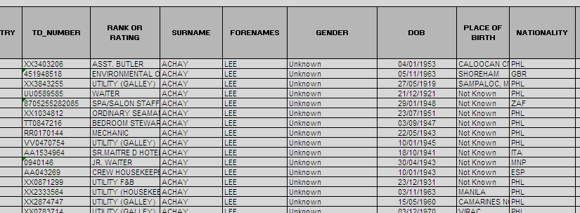

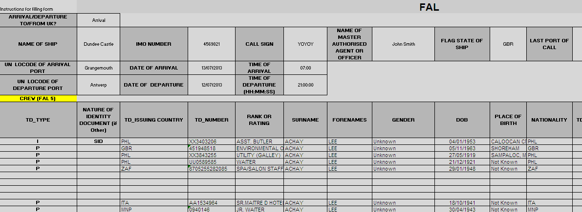

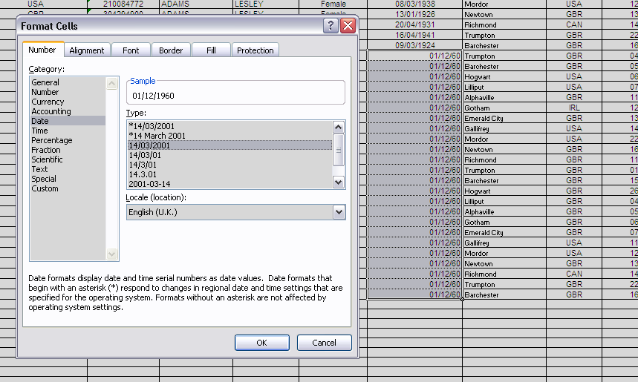

2
 |  | e.g. Abdul Khuddus Mohammed Ali and do not have other characters before or after | them e.g. ="Abdul Khuddus"= ="Mohammed Ali"=

2

